Components Xray-Jira
Components Xray/Jira
Click on the squares using the mouse to see the information.
Jira/Xray
Template Document
Upload TCs
Test Cases
Template in Jira
Test Execution Template
Associate TCs to Test Execution
Set Execution
How Execute a TC
TCs During Execution
Test Plan
Template
Add Set Execution and TCs
Template Document

TCs Template
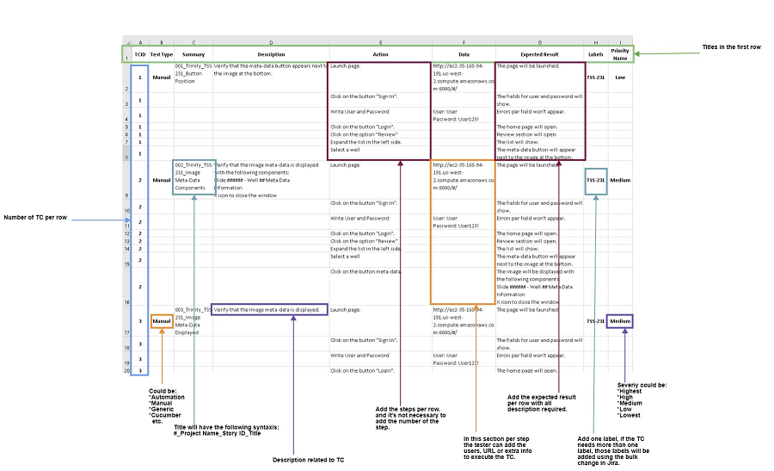
Test Cases Template
For upload all TCs to Jira/Xray the testing team uses a template created in an excel document that you can find in the following tab:
Template
The document will have the following characteristics to upload to Jira/Xray without issues:
*Document will be saved like "CSV UTF-8(Comma delimited)(*.csv).
*Using Excel, Open Office or Libre Office.
*Not use Google Docs because during the process to upload the TCs appears an error message.
*The first column will have per row the number of TCs.
*In the column "Labels" only add one label, in case that the TCs needs more labels the tester needs to add using the option "Bulk Change…".

Upload TCs to Jira
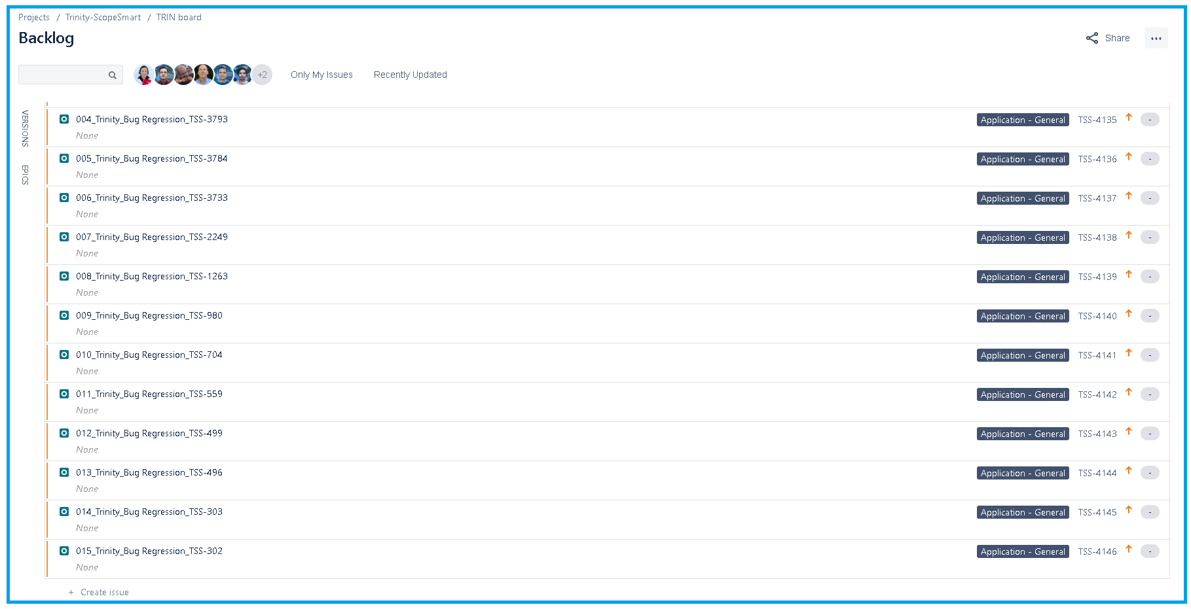
Upload TCs to Jira/Xray
To upload the TCs to Jira/Ray you need to follow the next steps mentioned below:

1. Click on the icon "Jira Software" . 2. Click on the option "Xray". 3. Move the scroll bar at the bottom. 4. Select the option "Test Case Importer". 5. Select the option "CSV". 6. Select the file with the TCs to upload. Result: If the file has the correct extension the button "Next" will be activated. 7. Click on the button "Next". 8.- Select the Project to upload the TCs. Result: After to select the project the button "Next" will be activated. 9. Click on the button "Next". 10. Mapping the fields according to the document. 11. Click on the button "Begin Export". | 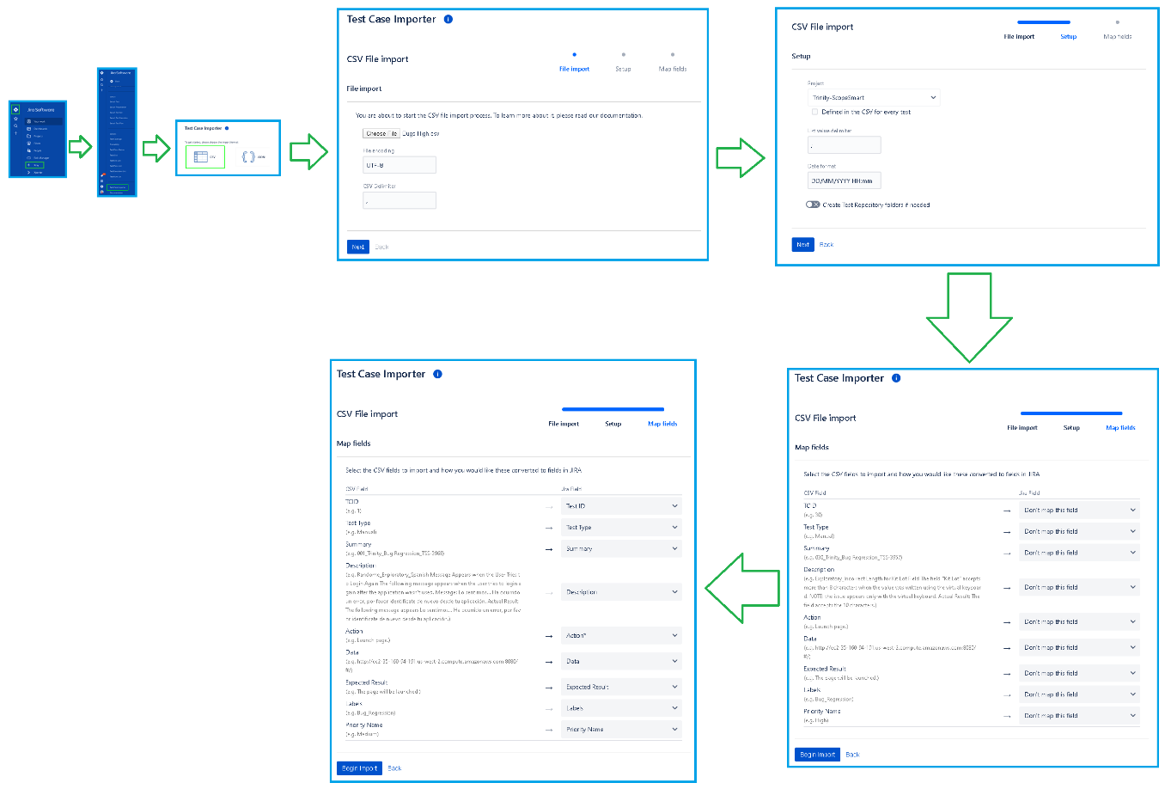
While the process is in progress the following section will appear:
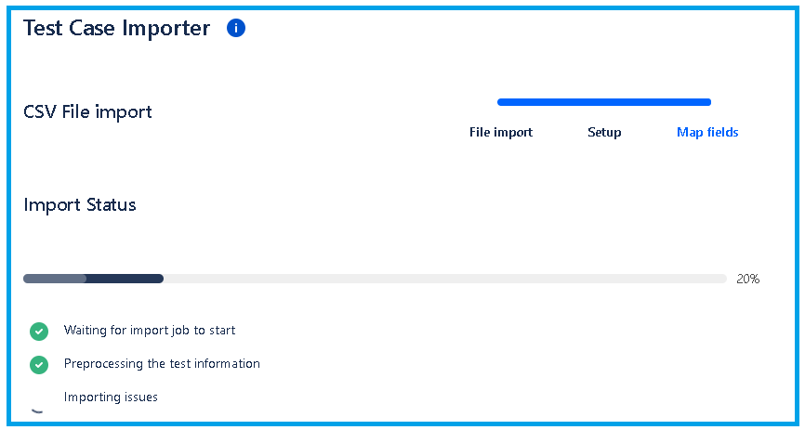
When the process was completed without errors the following message will appear:
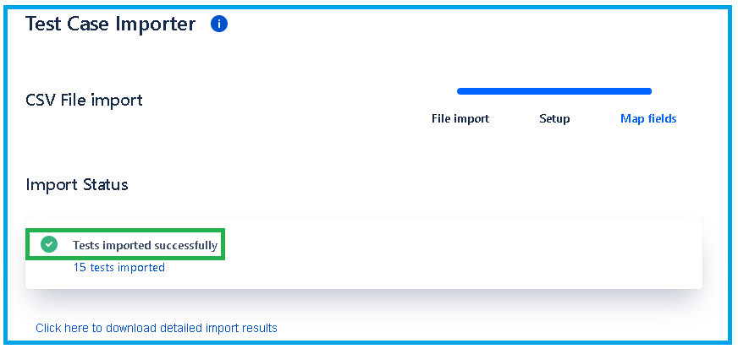
All TCs uploaded appear in the "Backlog" section.

TCs in Jira
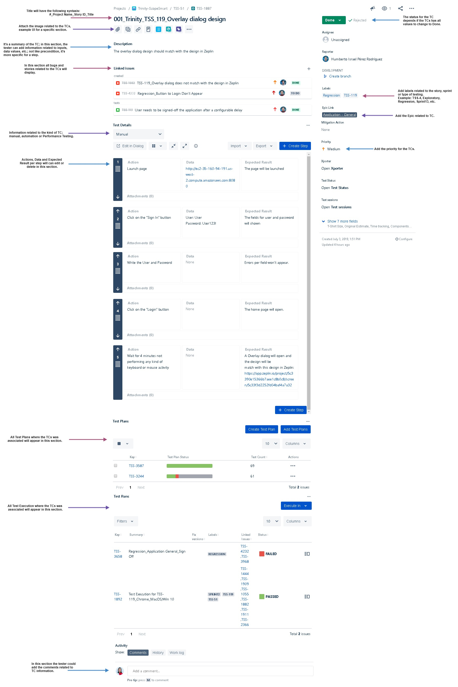
Test Cases in Jira
Definition
It is a set of conditions or variables under which a tester will determine whether an application, software system or one of its features is working as it was originally established for it to do. Test case consist of test case name, precondition, steps/input condition, expected result.
Template

Test Execution Template
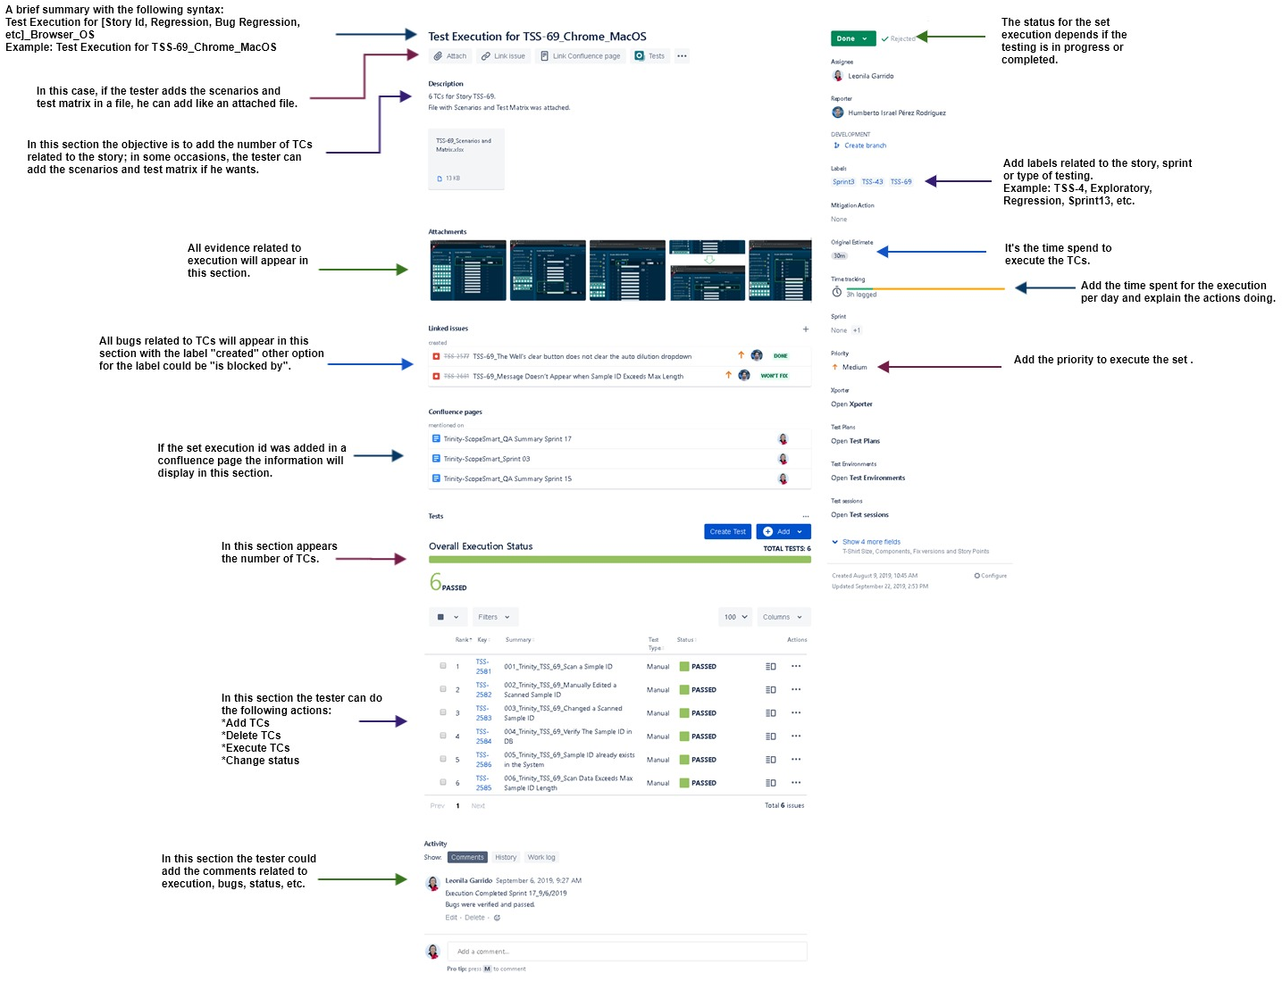
Test Execution
Definition
Jira/Xray has an issue with the name "Test Execution". Test execution is the process of executing the code and comparing the expected and actual results. It’s a list of Test Runs divide per browser or operating system. The test execution reports provide information about the status of the test effort, including overall software quality and test execution progress.
Template

TCs in Set Execution
How to Add TCs to a Test Set Execution
In Jira all TCs will be executed when the TCs is related to Set Execution. The steps to associate the TCs to a Test Set Execution are the following:
Preconditions: *Create a Test Set Execution. Steps: 1. Open the Test Set Execution. 2. Move to section "Test". Note: Sometimes the section "Test" doesn't appear in the Test Execution, in case this happens you should click in the option "Test" at the top. Result: in this section appear two buttons "Create Test" and "Add". For Us the TCs were uploaded to Jira so only we need to focus on the button "Add". 3. Click on the button "Add". Result: a Menu with two options will display. The options are "Test" and "Test from Test Set". 4. Click on the option "Test". 5. Select the option "JQL". 6. Write the Query to search the TCs. 7. Click on the button "Search". Result: The TCs list related to the search will display. 8. Select the TCs to add to Test Execution. 9. Click on the button "Add Selected". Result: The TCs will appar in the section "Test". |  | 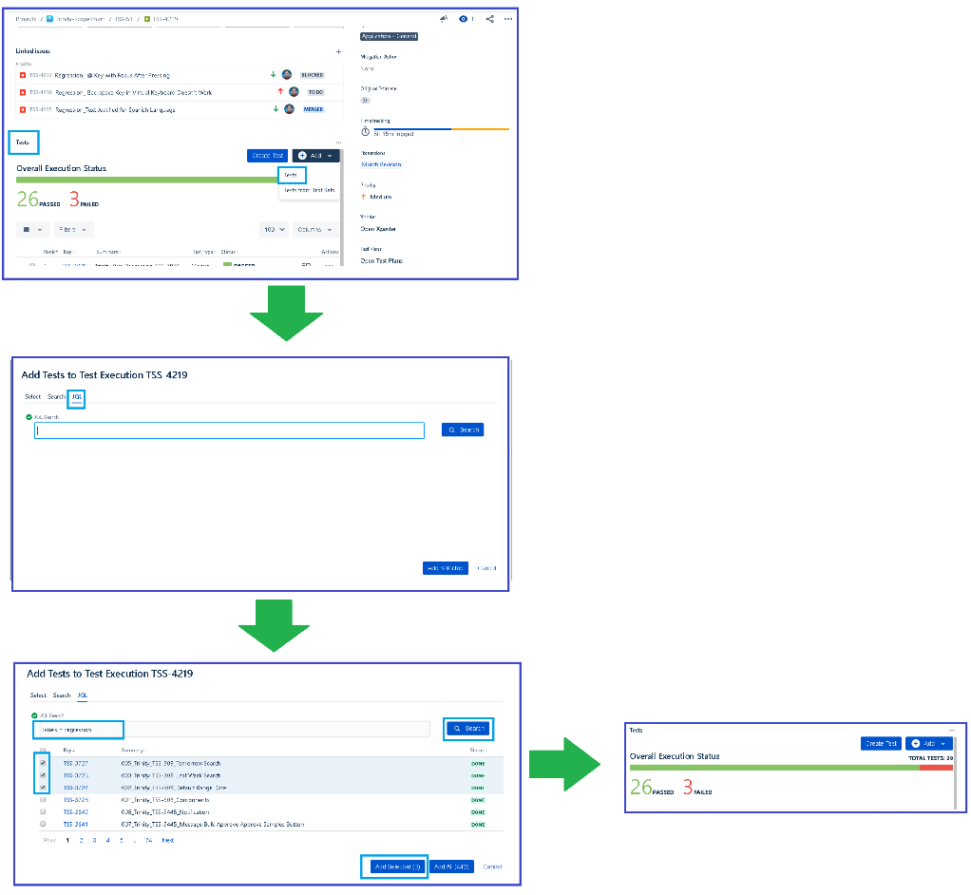
Queries
Search TCs | Query |  | Comments
Specific Label | labels = [label] |  | TCs have the label related to "Regression" or "Story" or "Sprint".
Per Story | project = [Project Name] AND type = Bug AND labels = [Story ID]
Per Epic | project = [Project Name] AND issuetype = Bug AND "Epic Link" = [Epic ID] ORDER BY status ASC, key DESC

TCs in Jira During Execution
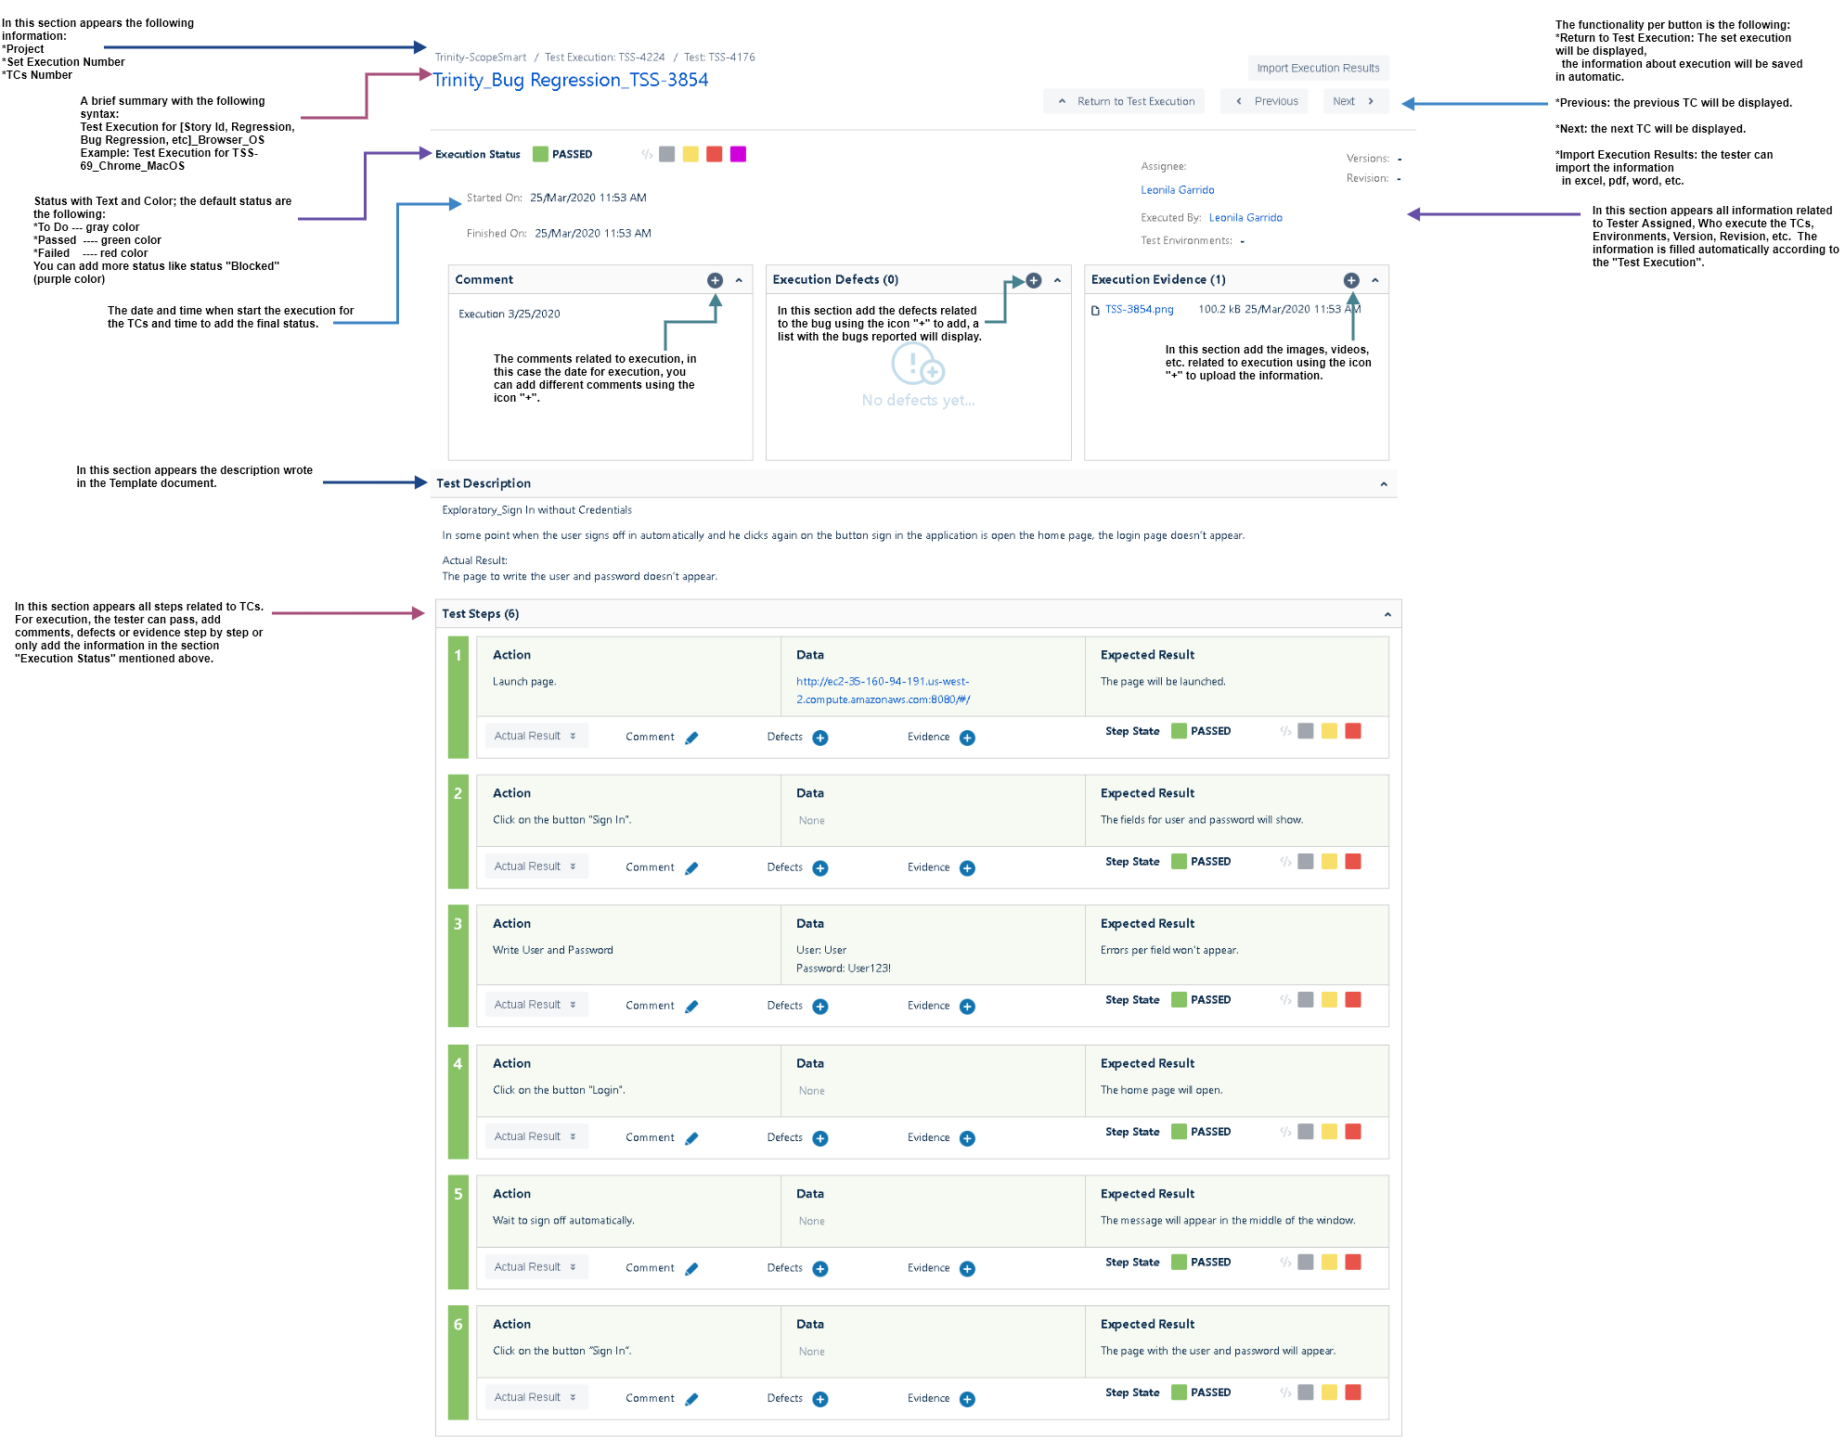
Test Cases in Jira During Execution
Template

Test Plan Template
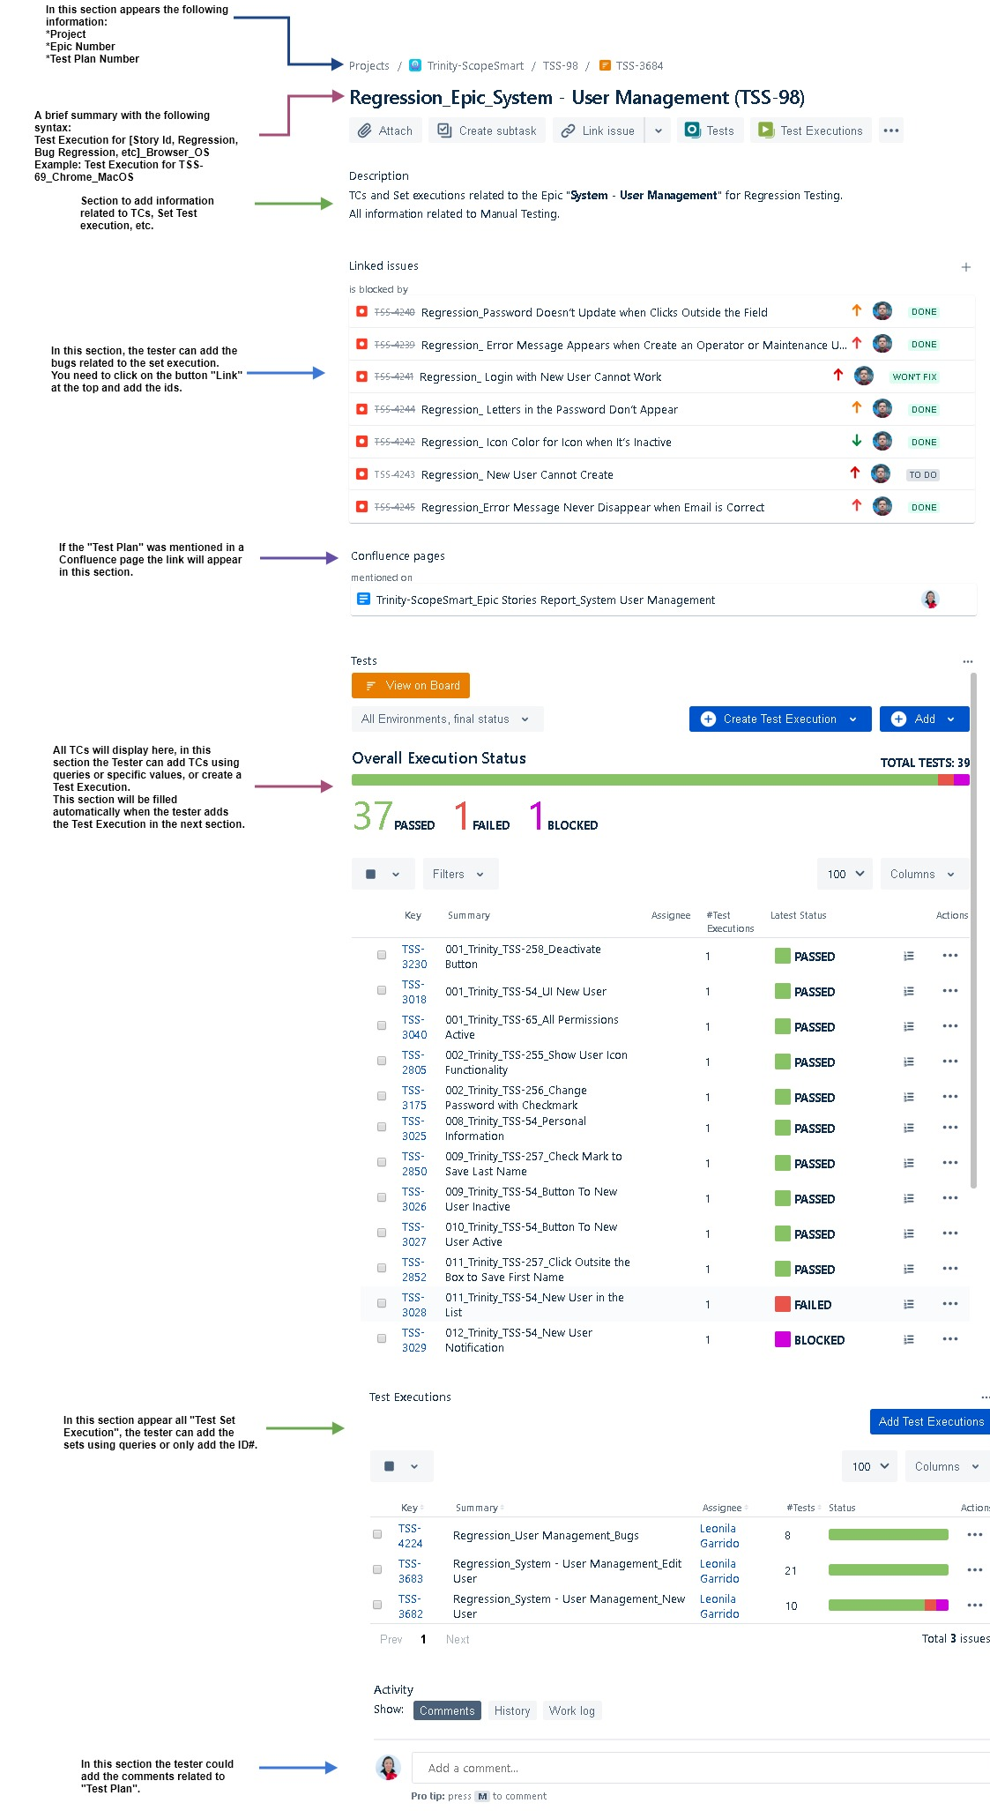
Test Plan
It’s a document describing the scope, approach, resources and schedule of intended test activities. It identifies amongst others test items, the features to be tested, the testing tasks, who will do each task, degree of tester independence, the test environment, the test design techniques and entry and exit criteria to be used, and the rationale for their choice, and any risks requiring contingency planning. It is a record of the test planning process. The purpose of the Test Plan in Jira is to provide an overall test planning and test management view of your test effort. The user can customize the Test Plan’s fields to track: Scope, Risks, Strategy, Pass/Fail Criteria. The user can also track the test execution cycles by associating a Test Cycle to a Test Plan.
Template

Add Test Execution to Test Plan
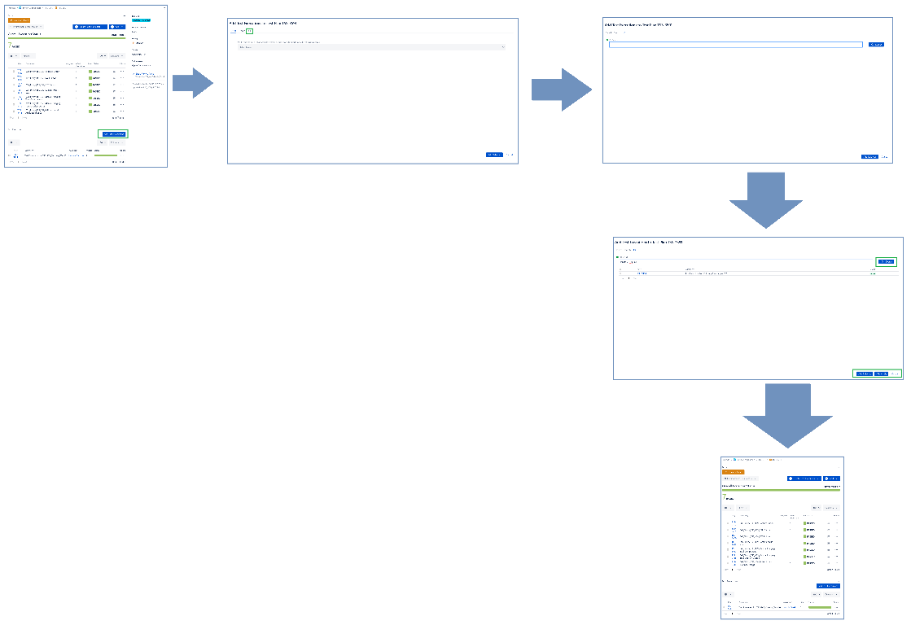
Add Test Set Execution and Test Cases to Test Plan
To add "Test Set Execution" you need to follow the next steps mentioned below:
1. Click on the id of "Test Plan" in the backlog or Sprint section. Result: The "Test Plan" template will open. 2. Move to the section "Test Executions". 3. Click on the button "Add Test Executions". 4. Select the option "JQL". 5. Write the Query to search the Test Set Execution. 6. Click on the button "Search". Result: The Test Execution list related to the search will display. 7. Select the Test Set Execution to add to Test Plan. 8. Click on the button "Add Selected". Result: The Test Set Execution will appar in the section "Test Executions". Note: All TCs related to "Test Set Execution" appears in the section "Test" in the "Test Plan" when the "Test Set Execution" is added to it. Note: If the tester deletes a test plan, the TCs will be deleted manually in the section "Tests".
Queries
Search TCs | Query | Comments
Specific Label | labels = [label] | Test Set Execution have the label related to "Regression" or "Story" or "Sprint".
Per Story | project = [Project Name] AND type = "Test Execution" AND labels = [Story ID]
Per Epic | project = [Project Name] AND issuetype = "Test Execution" AND "Epic Link" = [Epic ID] ORDER BY status ASC, key DESC

